ショット-1
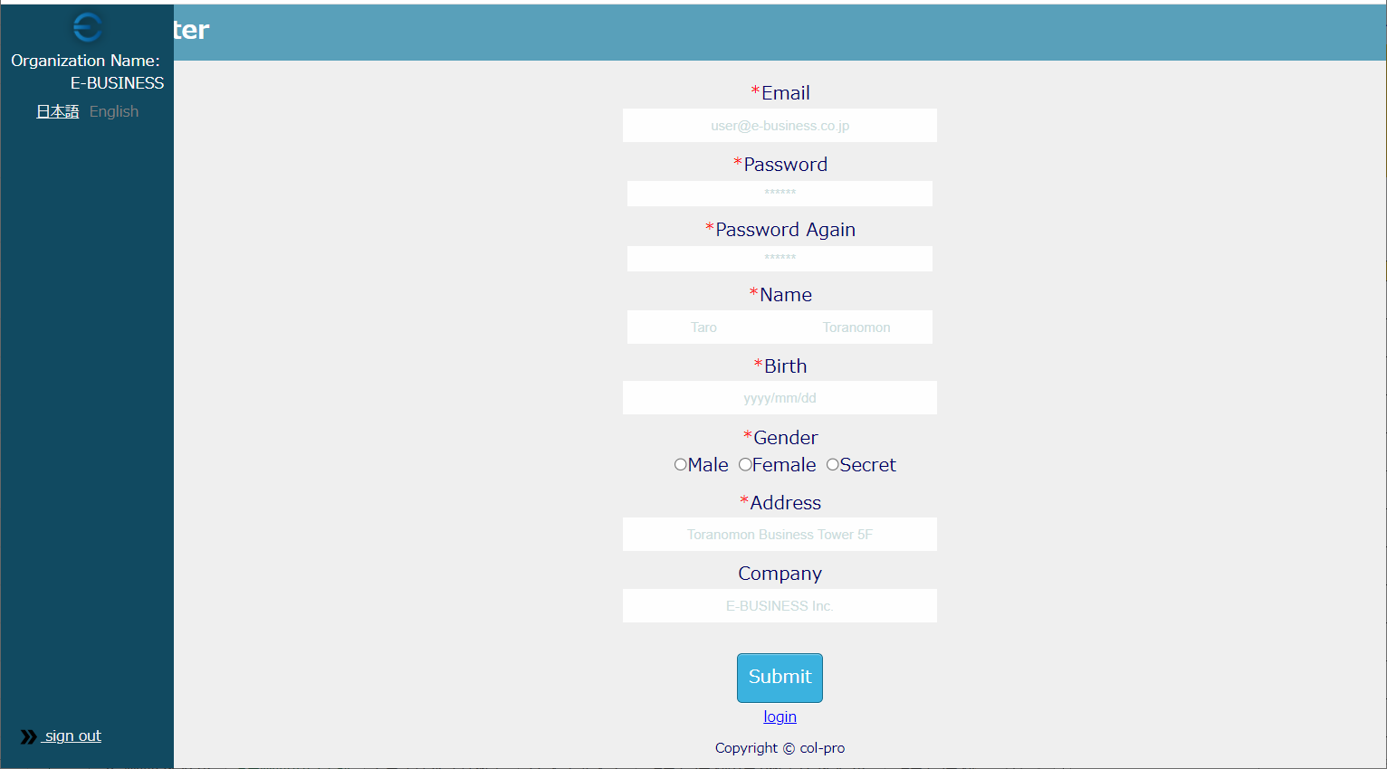
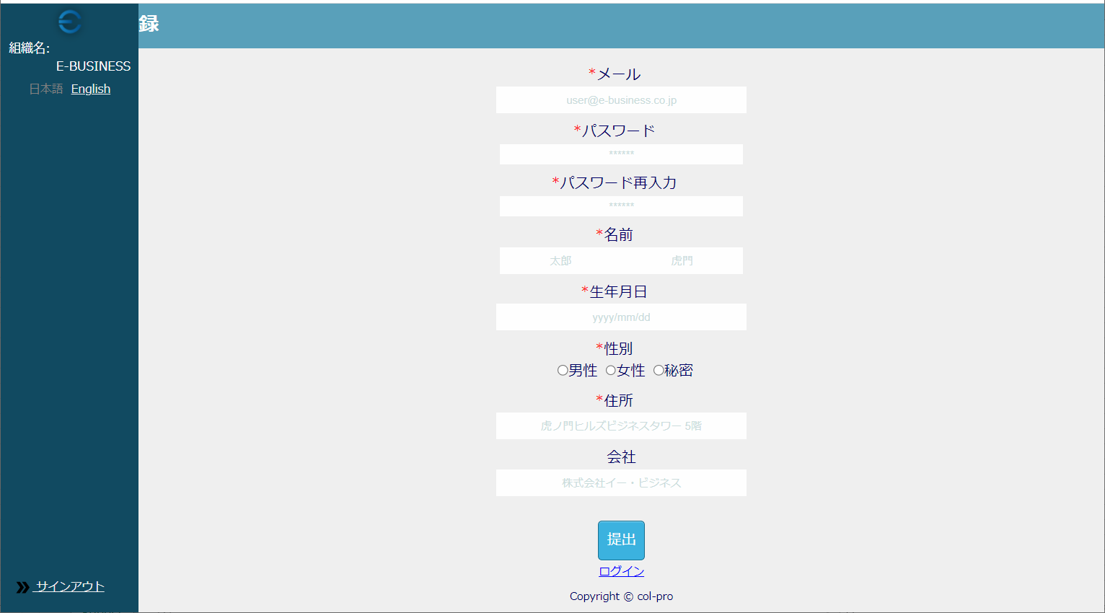

UT-USER02-B-003

UT-USER02-B-006

UT-USER02-B-009

UT-USER02-B-012

UT-USER02-B-016

UT-USER02-B-021
UT-USER02-B-022
UT-USER02-B-024
UT-USER02-B-030

UT-USER02-B-027

UT-USER02-B-033
UT-USER02-B-034

UT-USER02-B-004
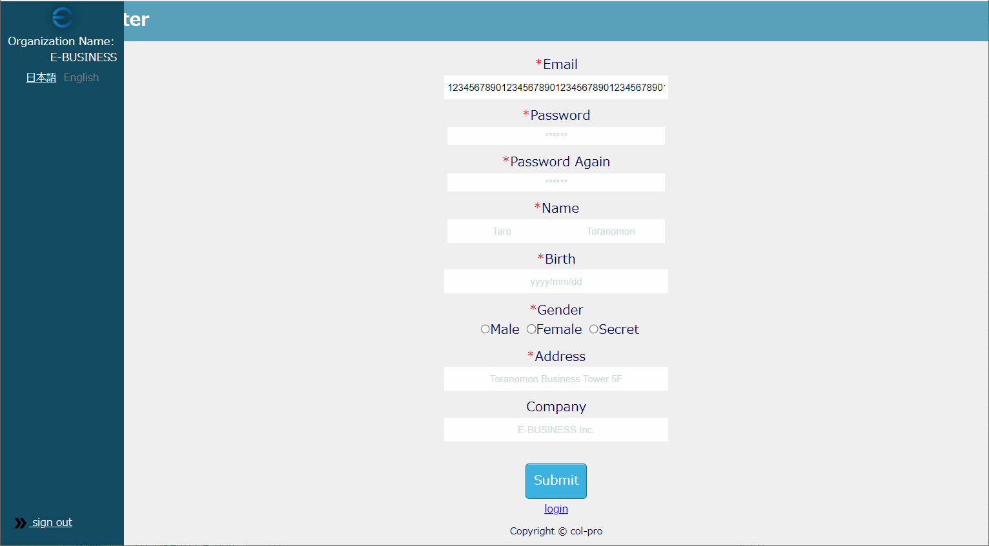

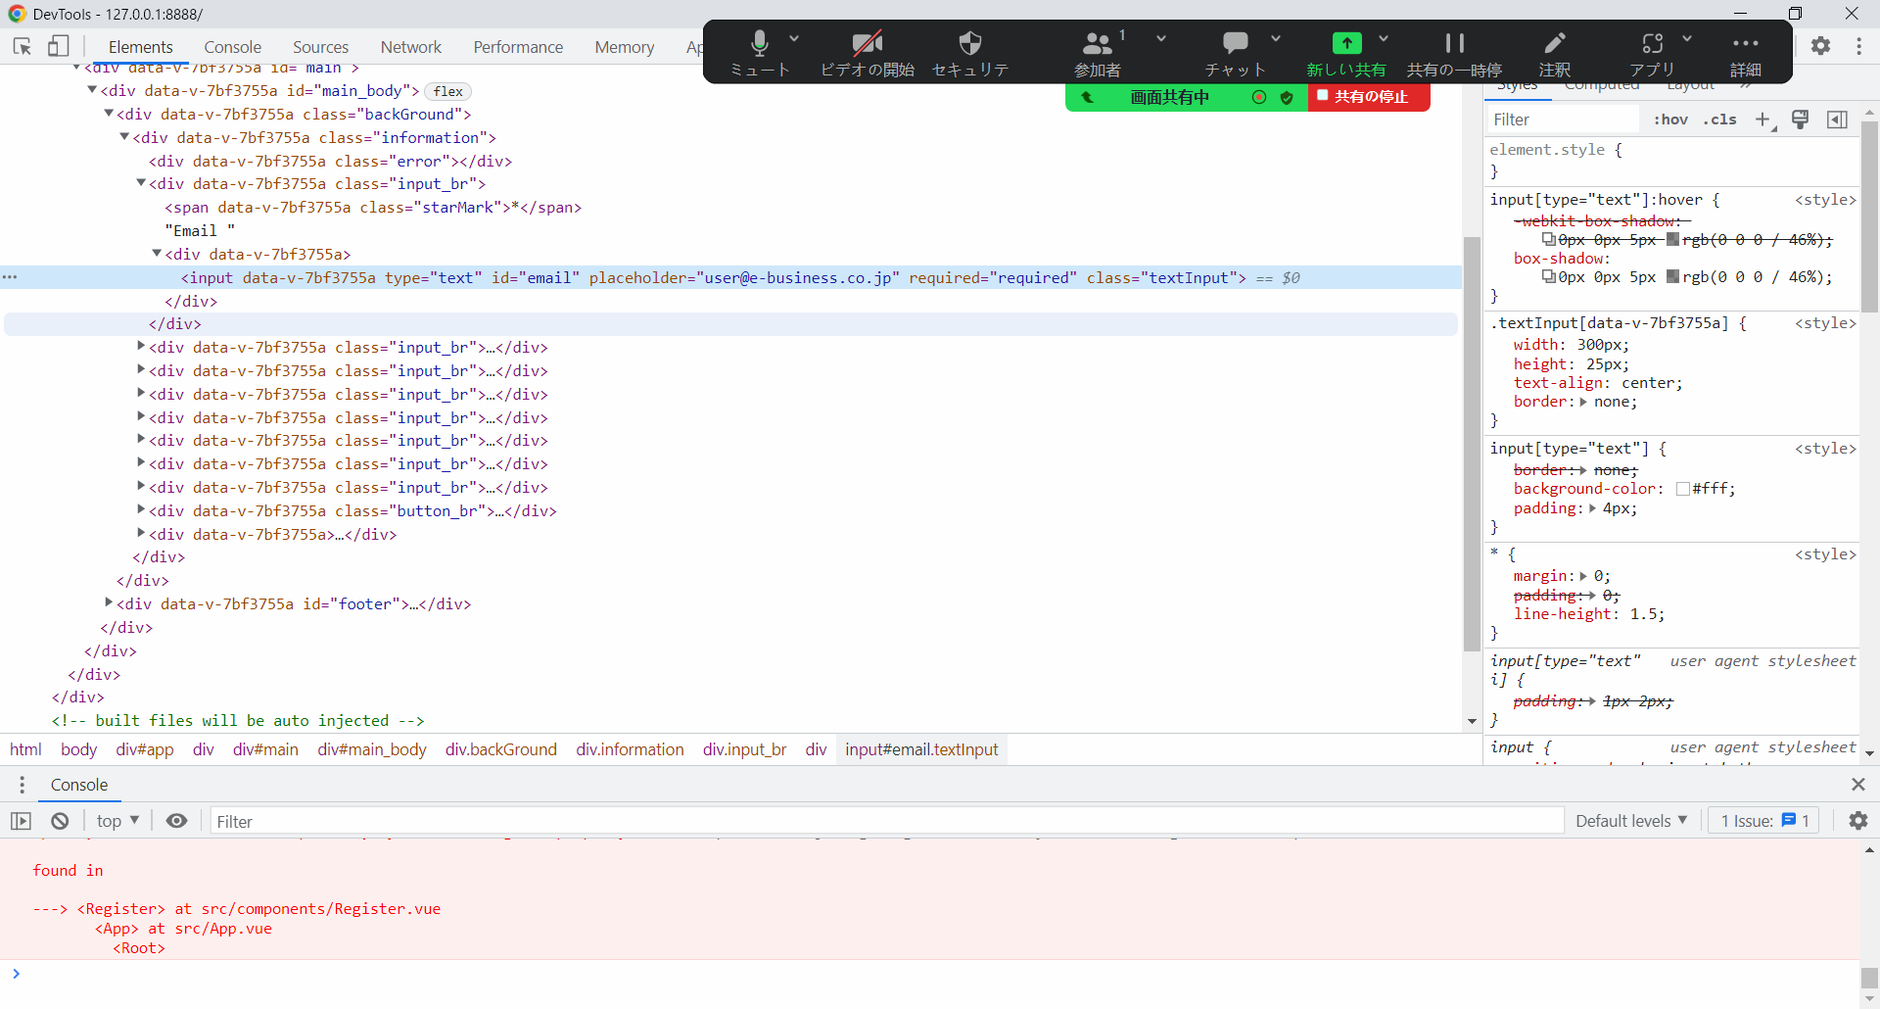

UT-USER02-B-007


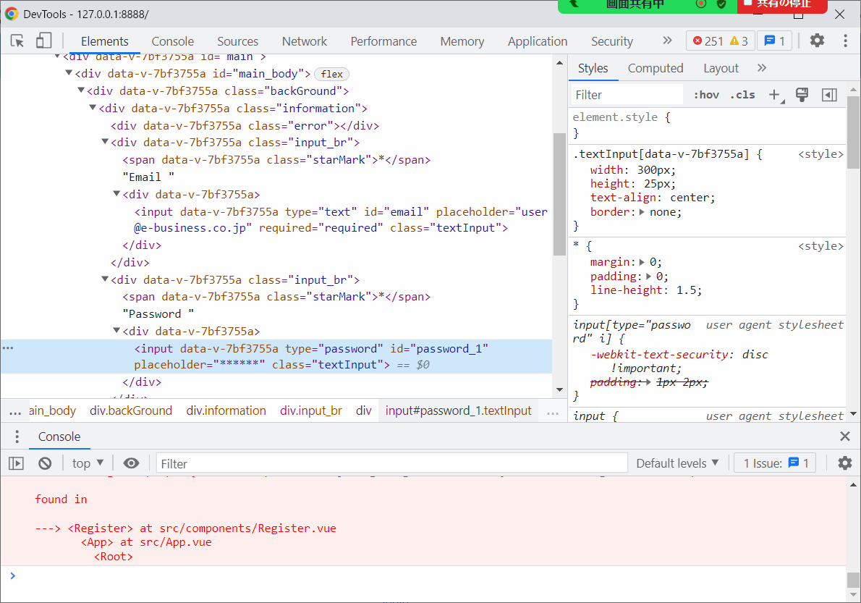

UT-USER02-B-010
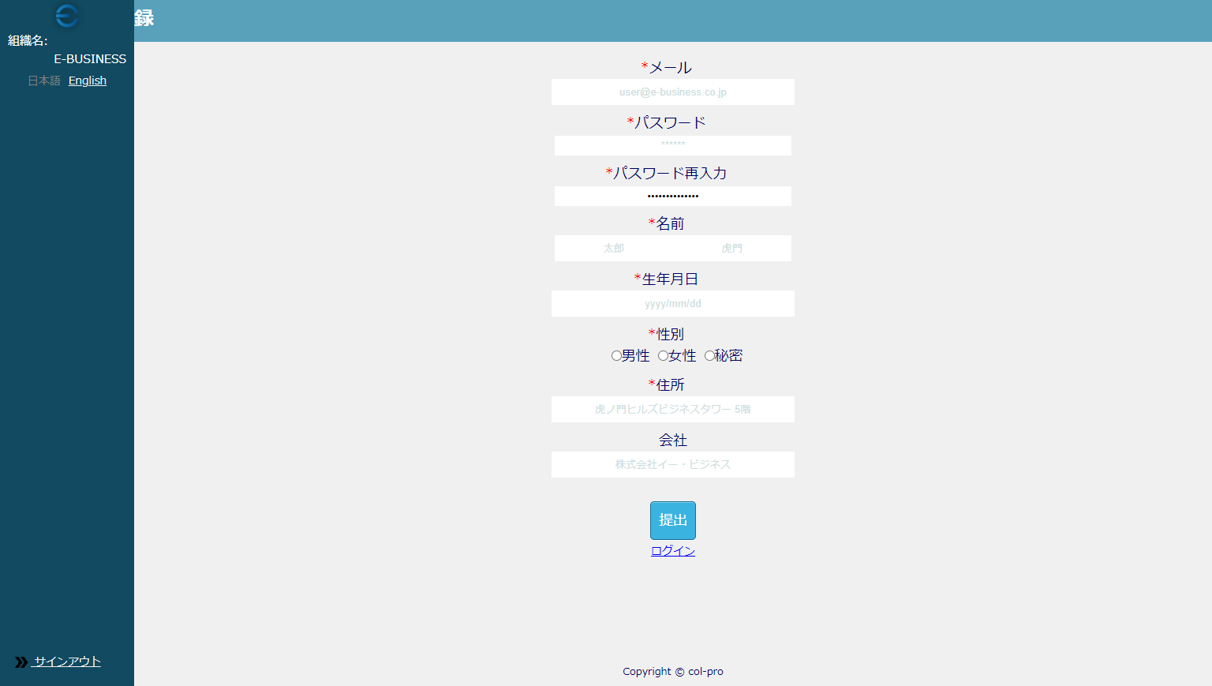

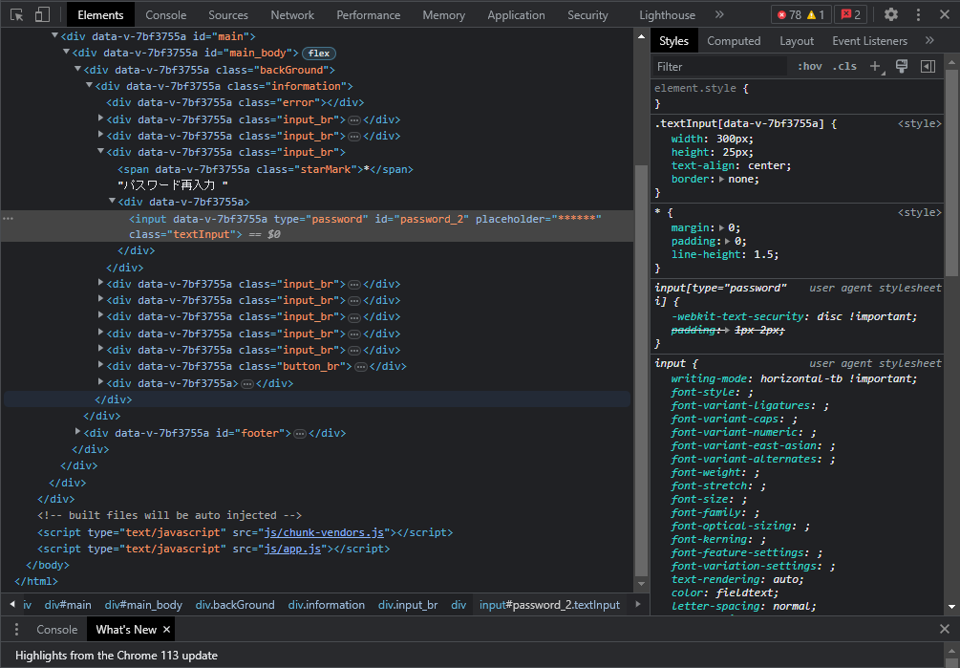

UT-USER02-B-013
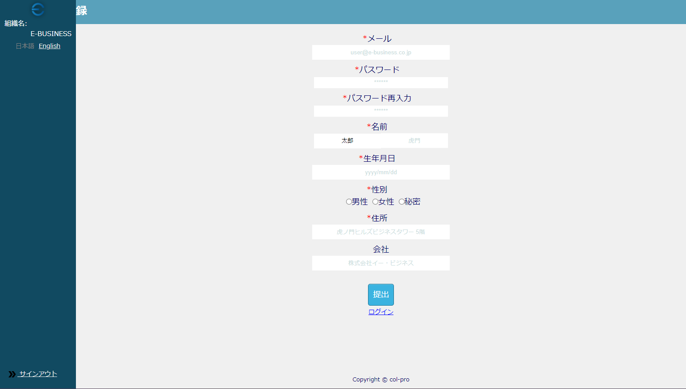

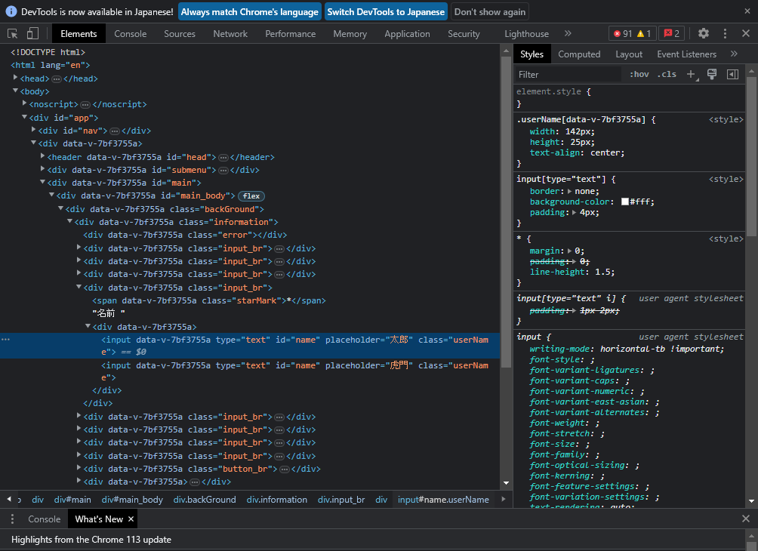

UT-USER02-B-014


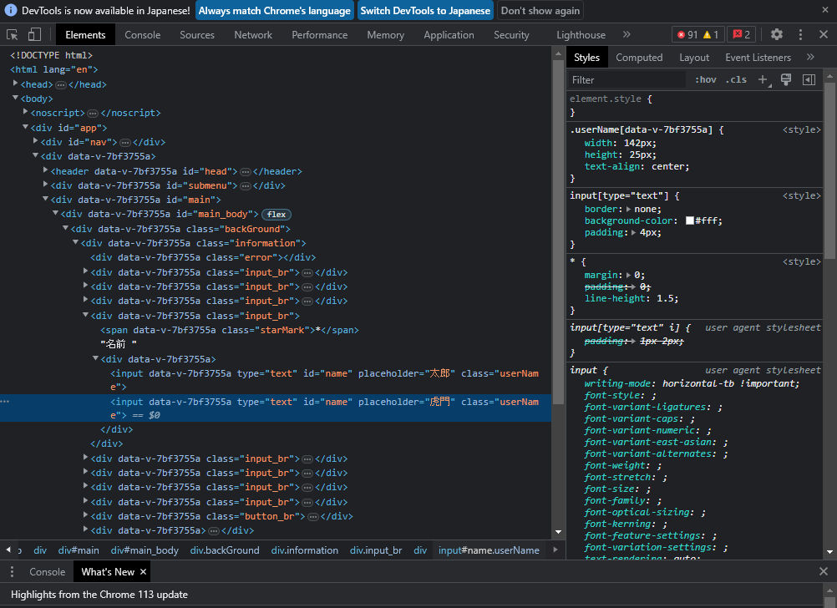

UT-USER02-B-017～UT-USER02-B-019
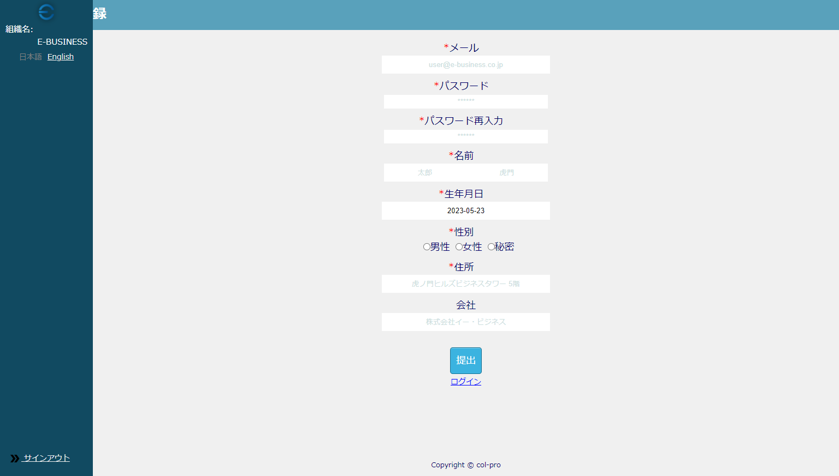

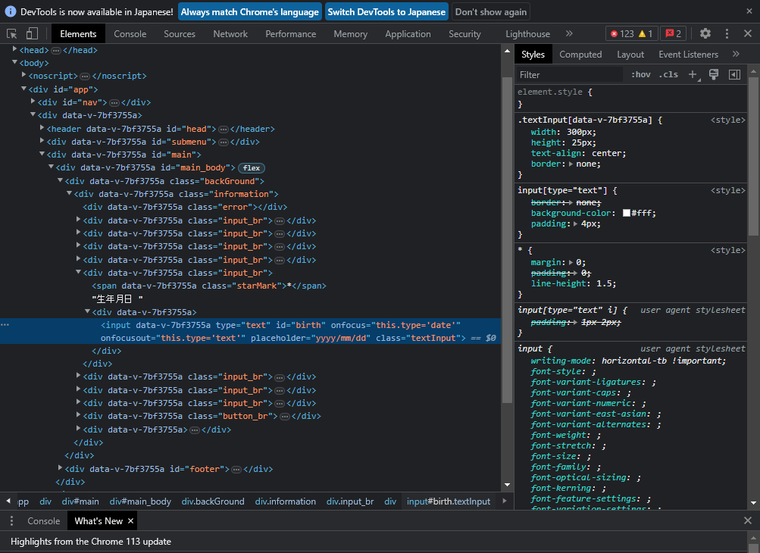

UT-USER02-B-023


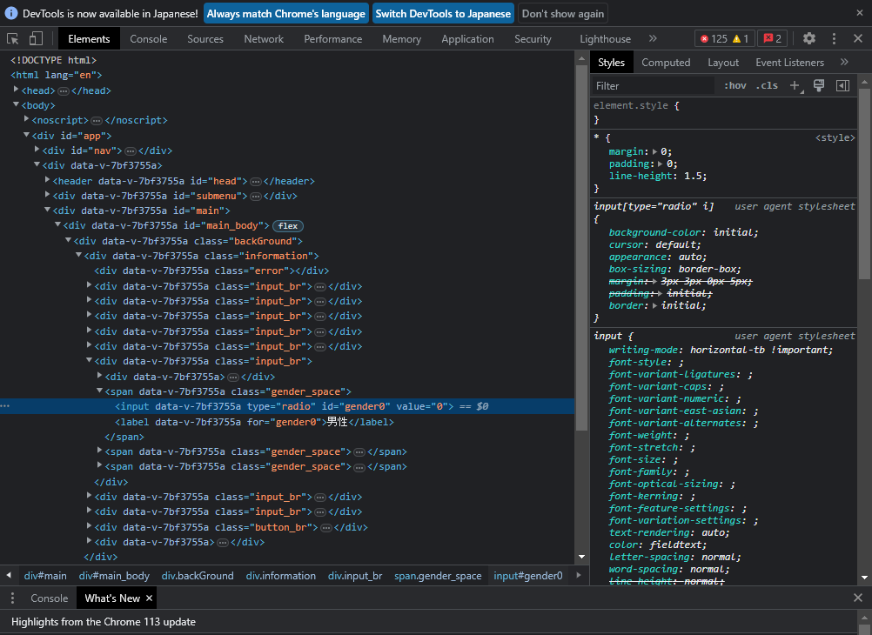

UT-USER02-B-025


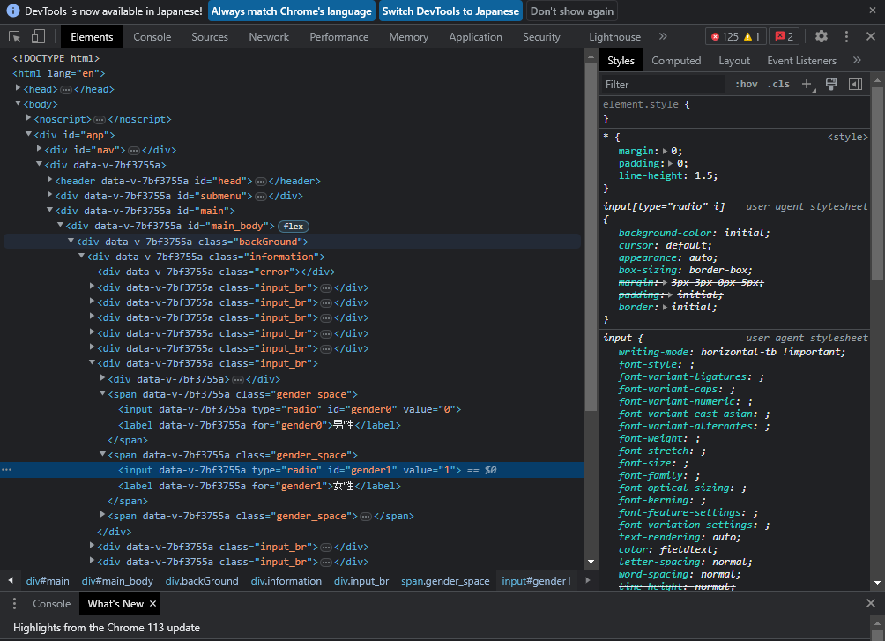

UT-USER02-B-028


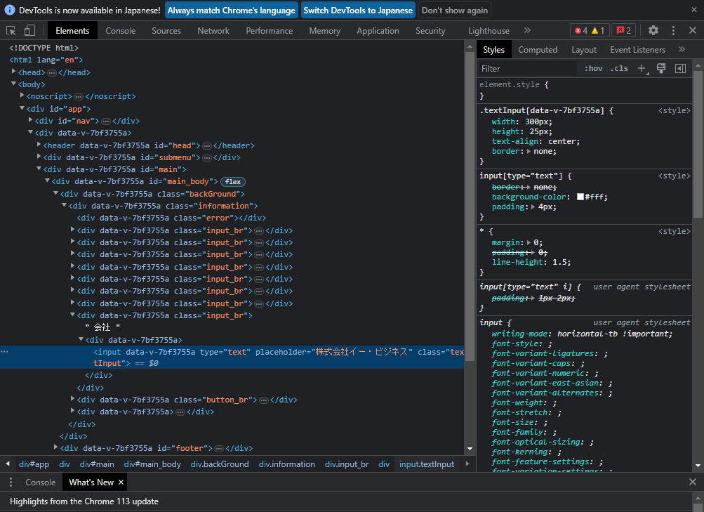

UT-USER02-B-031
